Checklist
ID | Summary |  | Status
1 | Installation test of the application |  | Pass
1.1 |  | Installation on Android 5.1 | Pass | Screen #1
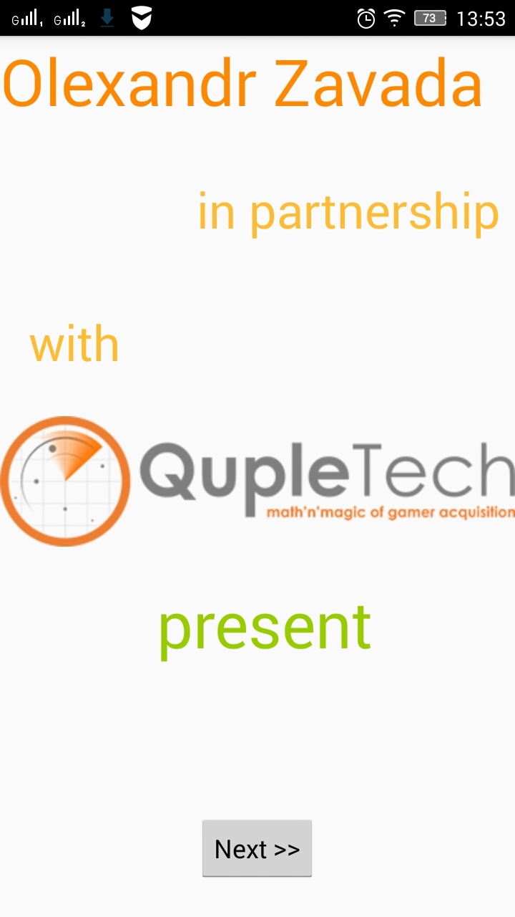
1.2 |  | Installation on Android 6.x | Not tested
1.3 |  | Installation on Android 7.x | Not tested
1.4 |  | Minimum required disk space | Not tested
1.5 |  | Check creation of the application icon in phone menu | Pass
2 | Required permissions
2.1 |  | Permissions for Wi-Fi access | Pass
2.2 |  | Permissions for Network access | Pass
2.3 |  | Permissions for Internet access | Pass
3 | Different displays support |  | Pass
3.1 |  | 4.x" | Not tested
3.2 |  | 5.x" | Pass
3.3 |  | 6.x" | Not tested
4 | The application start |  | Pass
5 | Screen #1:
5.1 |  | Check layout of the screen #1 (see attachment: screen #1) | Pass
5.2 |  | Check if "Next >>" button is active | Pass | Screen #2
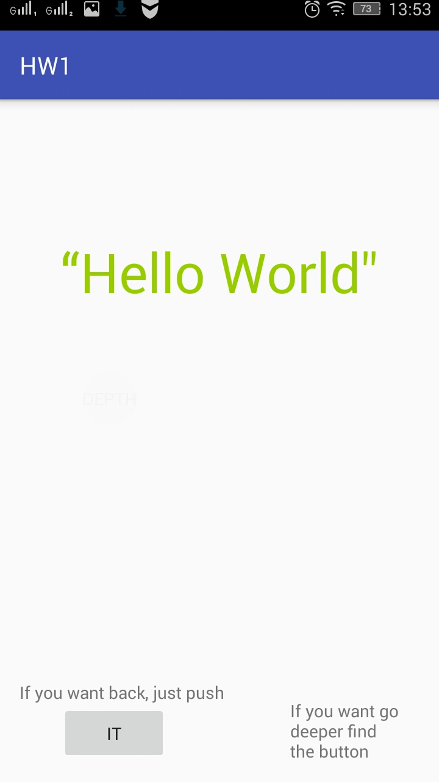
5.3 |  | Check any changes when gyroscope sensor is active (shift, rotation) | Pass
5.4 |  | Test if Quick Bar is active | Pass
5.5 |  | Check functionality of the phone "Back" button | Pass
5.6 |  | Check functionality of the phone "Home" button | Pass
5.7 |  | Check functionality of the phone "Menu" button | Pass
5.8 |  | Check functionality of the phone "Volume" buttons | Pass
5.9 |  | Check functionality of the phone "Power" button | Pass
5.10 |  | Check any changes when headphones are connected | Pass
5.11 |  | Test the transition to the screen #2 | Pass
6 | Screen #2:
6.1 |  | Check the screen #2 (see attachment: screen #2) | Pass
6.2 |  | Check if "TAP IT" button is active | Pass
6.3 |  | Check if "DEPTH" button is active | Pass
6.4 |  | Check availability of "DEPTH" button on the screen (Hard to see in the center of screen) | Pass
6.5 |  | Check any changes when gyroscope sensor is active (shift, rotation) | Pass
6.6 |  | Test if Quick Bar is active | Pass | Screen #3 vertical
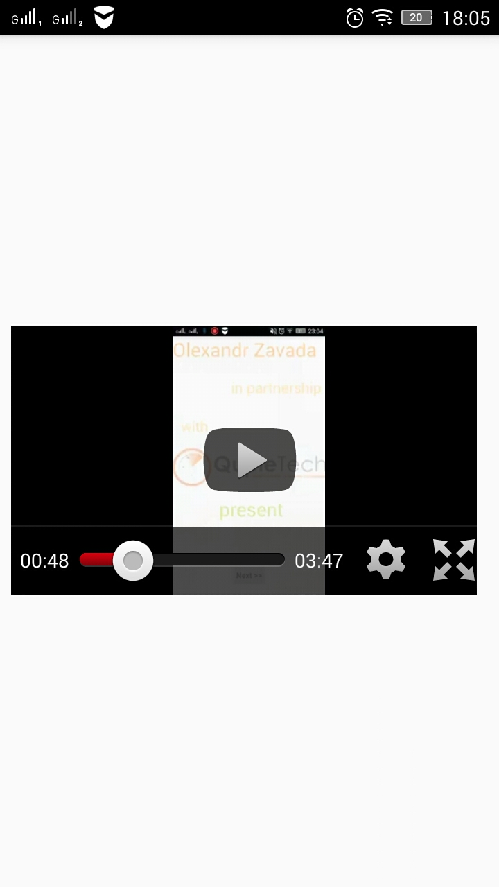
6.7 |  | Check functionality of the phone "Back" button | Pass
6.8 |  | Check functionality of the phone "Home" button | Pass
6.9 |  | Check functionality of the phone "Menu" button | Pass
6.10 |  | Check functionality of the phone "Volume" buttons | Pass
6.11 |  | Check functionality of the phone "Power" button | Pass
6.12 |  | Check any changes when headphones are connected | Pass
6.13 |  | Test the transition to the screen #1 | Pass
6.14 |  | Test the transition to the screen #3 | Pass
7 | Screen #3:
7.1 |  | Check the screen #3 (see attachment: screen #3 horisontal and vertical) | Pass
7.2 |  | Check any changes when gyroscope sensor is active (shift, rotation) | Pass
7.3 |  | Check that video player is located in the center of the screen | Pass
7.4 |  | Check if video player works correctly | Pass
7.5 |  | Test if Quick Bar is active | Pass
7.6 |  | Check functionality of the phone "Back" button | Pass
7.7 |  | Check functionality of the phone "Home" button | Pass | Screen #3 horizontal
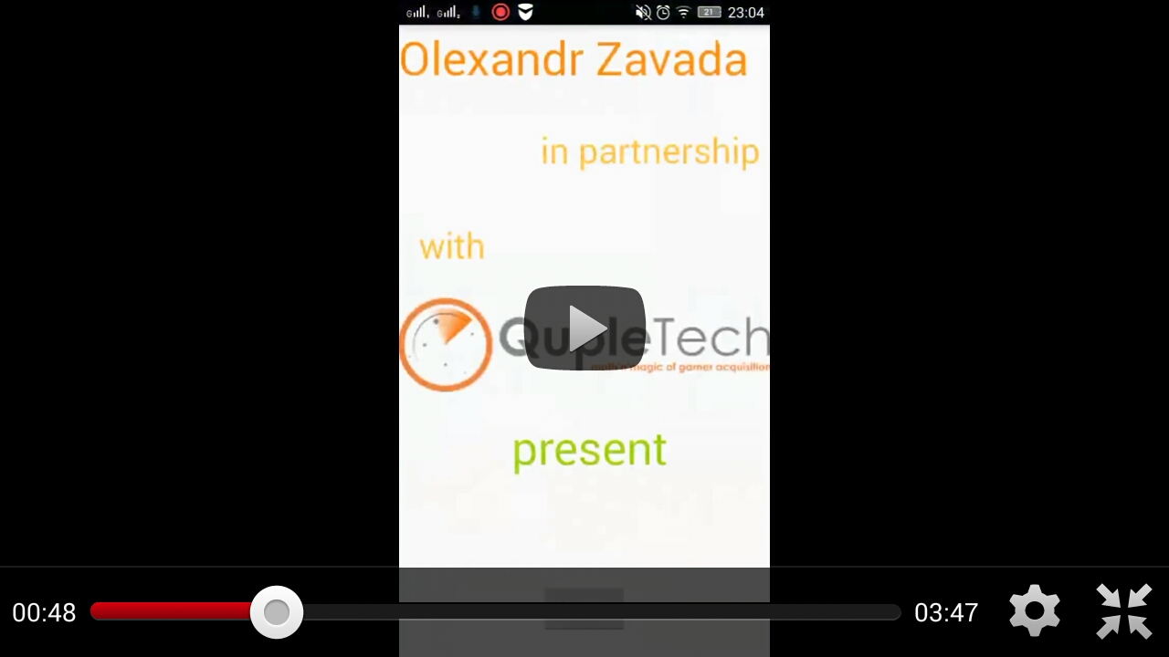
7.8 |  | Check functionality of the phone "Menu" button | Pass
7.9 |  | Check functionality of the phone "Volume" buttons | Pass
7.10 |  | Check functionality of the phone "Power" button | Pass
7.11 |  | Check any changes when headphones are connected | Pass
8 | Uninstallation test of the app |  | Pass
8.1 |  | Check full uninstall | Pass
8.2 |  | Check presence of garbage in the storage | Pass
8.3 |  | Check that application icon is deleted from the phone menu | Pass
9 | Data transfer network testing
 |  | 2G | Pass
 |  | 3G | Pass
 |  | Wi-Fi | Pass

 | Performance, stability
Demo of my program is here

